Distribution l & C
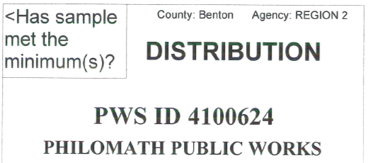
Day | pH | Alk | PO4 | Other | Y/N
1
2
3
4
5
6
7
8 |  |  |  |  |  | Sample period:
9 |  |  |  |  |  |  | Month/Year
10 |  |  |  |  |  | Sample Frequency: Every 36 months
11 |  |  |  |  |  | Distribution Samples required: 3
12
13 |  |  |  |  |  | Number of excursions during this
14 |  |  |  |  |  | Sample Period =
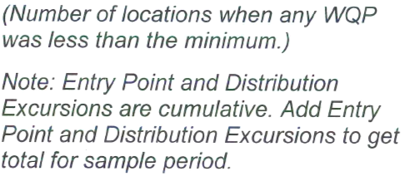
15
16
17
18
19
20
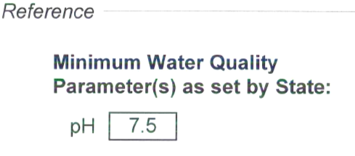
21
22
23
24
25
26
27
28
29 |  |  |  |  |  | Print Name: ____________________________
30
31 |  |  |  |  |  | Signature:______________________________
 |  |  |  |  | 0 | Date & Phone #:_________________________

Entry point l & C
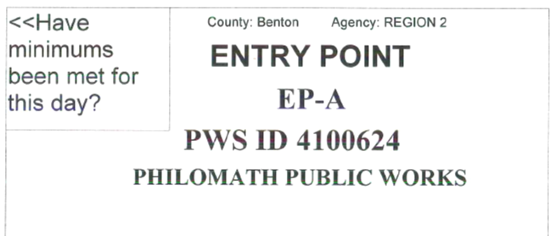
Day | pH | Alk | Phos | Other | Y/N
1 | 7.6 |  |  |  | y
2 | 7.6 |  |  |  | y
3 | 7.6 |  |  |  | y
4 | 7.6 |  |  |  | y
5 | 7.8 |  |  |  | y
6 | 7.8 |  |  |  | y
7 | 7.8 |  |  |  | y
8 | 7.9 |  |  |  | y
9 | 7.8 |  |  |  | y |  | Sample period: | Mar-24
10 | 7.9 |  |  |  | y |  |  | Month/Year
11 | 7.8 |  |  |  | y
12 | 7.8 |  |  |  | y | Number of excursions during this month: |  |  |  | 0
13 | 7.8 |  |  |  | y
14 | 7.7 |  |  |  | y
15 | 7.6 |  |  |  | y
16 | 7.7 |  |  |  | y
17 | 7.7 |  |  |  | y
18 | 7.7 |  |  |  | y
19 | 7.7 |  |  |  | y
20 | 7.6 |  |  |  | y
21 | 7.8 |  |  |  | y
22 | 7.7 |  |  |  | y
23 | 7.7 |  |  |  | y
24 | 7.8 |  |  |  | y
25 | 7.7 |  |  |  | y
26 | 7.6 |  |  |  | y
27 | 7.6 |  |  |  | y |  | Print Name: ____________________________ | Dennis W Lewis
28 | 7.6 |  |  |  | y
29 | 7.8 |  |  |  | y |  | Signature:______________________________ | Dennis W Lewis T-6755
30 | 7.8 |  |  |  | y
31 | 7.8 |  |  |  | y |  | Date & Phone #:_________________________ | 2024-04-02 | (541) 929-2644
 |  |  |  |  | 0

