Distribution l & C
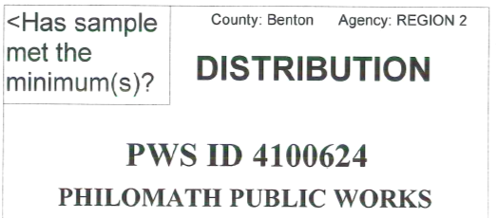
Day | pH | Alk | PO4 | Other | Y/N
1
2
3
4
5
6
7
8 |  |  |  |  |  | Sample period:
9 |  |  |  |  |  |  | Month/Year
10 |  |  |  |  |  | Sample Frequency: Every 36 months
11 |  |  |  |  |  | Distribution Samples required: 3
12
13 |  |  |  |  |  | Number of excursions during this
14 |  |  |  |  |  | Sample Period =
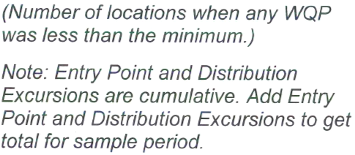
15
16
17
18
19
20
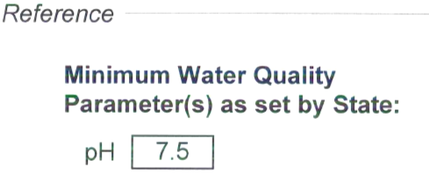
21
22
23
24
25
26
27
28
29 |  |  |  |  |  | Print Name: ____________________________
30
31 |  |  |  |  |  | Signature:______________________________
 |  |  |  |  | 0 | Date & Phone #:_________________________

Entry point l & C
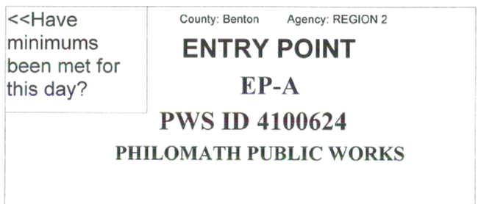
Day | pH | Alk | Phos | Other | Y/N
1 | 7.7 |  |  |  | Y
2 | 7.6 |  |  |  | Y
3 | 7.6 |  |  |  | Y
4 | 7.6 |  |  |  | Y
5 | 7.8 |  |  |  | Y
6 | 7.7 |  |  |  | Y
7 | 7.7 |  |  |  | Y
8 | 7.7 |  |  |  | Y
9 | 7.6 |  |  |  | Y |  | Sample period: | Feb.2026
10 | 7.8 |  |  |  | Y |  |  | Month/Year
11 | 7.8 |  |  |  | Y
12 | 7.8 |  |  |  | Y | Number of excursions during this month: |  |  |  | 0
13 | 7.8 |  |  |  | Y
14 | 7.7 |  |  |  | Y
15 | 7.7 |  |  |  | Y
16 | 7.8 |  |  |  | Y
17 | 7.8 |  |  |  | Y
18 | 7.7 |  |  |  | Y
19 | 7.6 |  |  |  | Y
20 | 8.1 |  |  |  | Y
21 | 8.0 |  |  |  | Y
22 | 7.8 |  |  |  | Y
23 | 7.9 |  |  |  | Y
24 | 7.7 |  |  |  | Y
25 | 7.5 |  |  |  | Y
26 | 7.5 |  |  |  | Y
27 | 7.7 |  |  |  | Y |  | Print Name: ____________________________ | James Winge T-08175
28 | 7.8 |  |  |  | Y
29 |  |  |  |  |  |  | Signature:______________________________ | James Winge T-08175
30
31 |  |  |  |  |  |  | Date & Phone #:_________________________ | 2026-03-03 | 541-609-9008
 |  |  |  |  | 0

