Distribution l & C
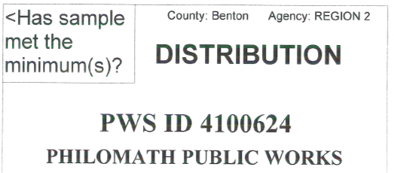
Day | pH | Alk | PO4 | Other | Y/N
1
2
3
4
5
6
7 | 7.8 |  |  |  | Y
8 |  |  |  |  |  | Sample period: | Feb-23
9 |  |  |  |  |  |  | Month/Year
10 |  |  |  |  |  | Sample Frequency: Every 36 months
11 |  |  |  |  |  | Distribution Samples required: 3
12
13 |  |  |  |  |  | Number of excursions during this
14 |  |  |  |  |  | Sample Period = | 0
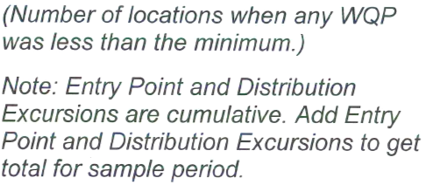
15 | 7.9
16
17
18
19
20
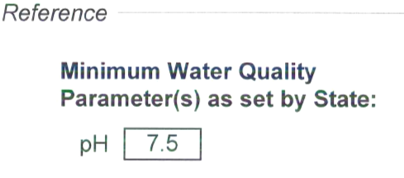
21
22 | 7.8
23
24
25
26
27
28 | 7.8
29 |  |  |  |  |  | Print Name: ____________________________ | Dennis W Lewis
30
31 |  |  |  |  |  | Signature:______________________________ | Dennis W Lewis T-6755
 |  |  |  |  | 0 | Date & Phone #:_________________________ | 2023-03-01 | (541) 929-2644

Entry point l & C
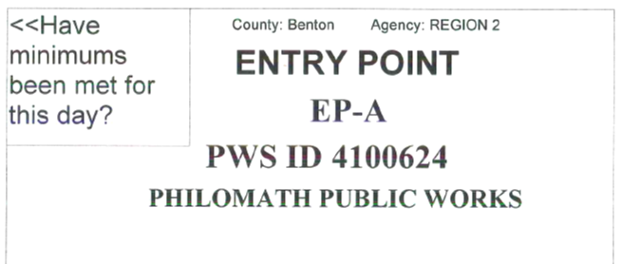
Day | pH | Alk | Phos | Other | Y/N
1
2
3
4
5
6
7
8
9 |  |  |  |  |  |  | Sample period:
10 |  |  |  |  |  |  |  | Month/Year
11
12 |  |  |  |  |  | Number of excursions during this month:
13
14
15
16
17
18
19
20
21
22
23
24
25
26
27 |  |  |  |  |  |  | Print Name: ____________________________
28
29 |  |  |  |  |  |  | Signature:______________________________
30
31 |  |  |  |  |  |  | Date & Phone #:_________________________
 |  |  |  |  | 0

